Goal Discussion
Get Novel Design Experience
Improve Original Temperature Sensor

New output method: Bluetooth?
New output method: Bluetooth?
Battery Operated or phone powered
Reverse LED's, 3D printed package
LED circuit could overdrive LED's
Programming Header is incorrect for UPDI
The ATtiny may be able to drive LED's directly
The ATtiny doesn't seem to keep time well

Putting this on hold for this revision. Want something that works that I could show people, and want to do it quick.
Resistor in series with each LED
Easy fix
Research new ATtiny
Could be tested out more

Doesn't hurt functionality, and probably would require a crystal. Too much new stuff

ATtiny Selection
Research new ATtiny

Needs at least 8 LED-drivable pins
More memory?

Could be tested more

ATtiny202
Pins: 8
max mA per port: 100?
Flash: 2KB
ATtiny404
Pins: 14
max mA per port: 100
Flash: 4KB

General Component Selection
Sits on a desk
User Friendly
Display Temperature in Fahrenheit
ATtiny404
Read Temperature

USB Power
Rechargeable or long lasting battery
8 Bit LED display
-20 to 110 degrees Fahrenheit

No need to worry about power draw with this
LED's could draw a lot of power

Micro USB (should be good, but difficulty soldering last time)
Raw Power into board: 4.4-5.25 V
500 mA Max

LED Power
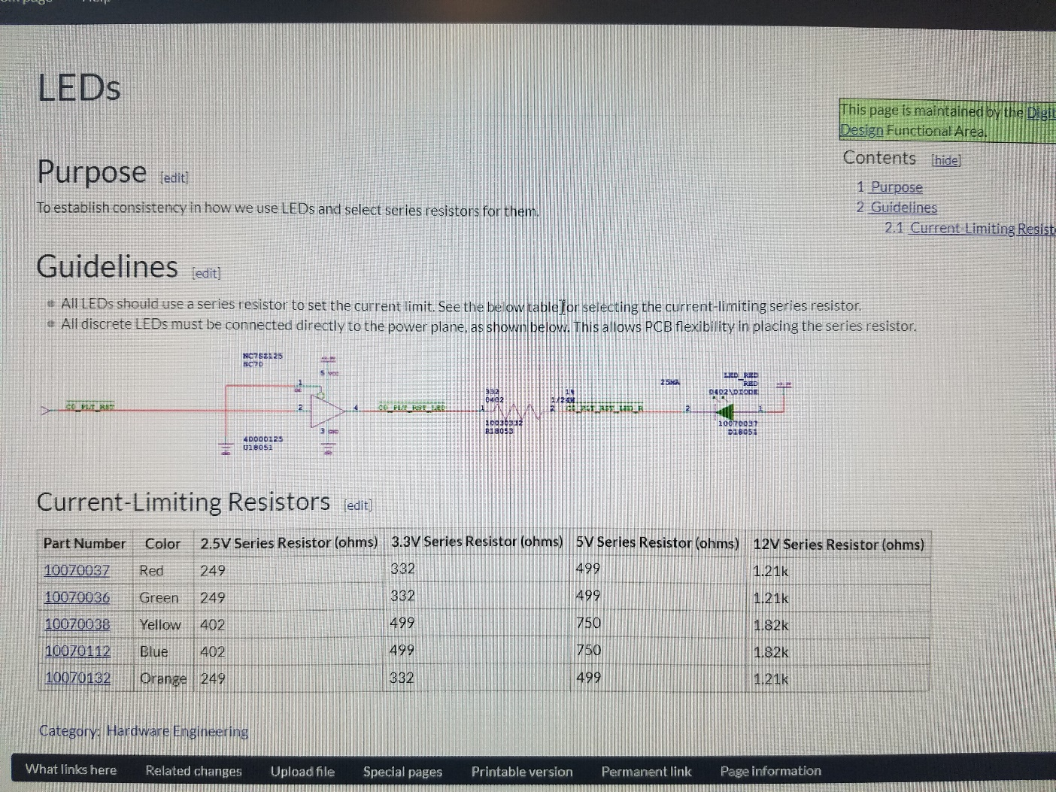
Use the same LED as Rev 1
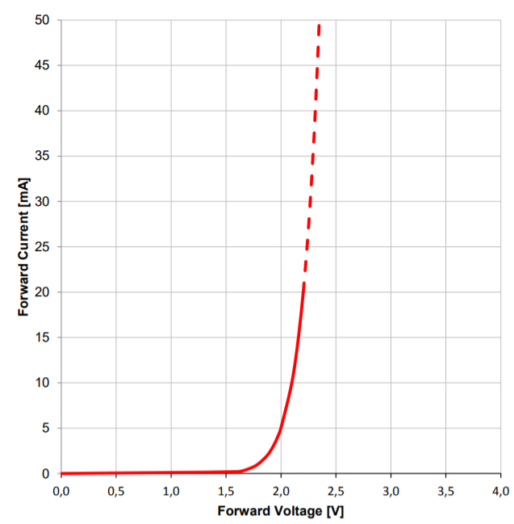

3.3 V (from regulator)
5 V (from USB)

Series Resistor: 332 Ohms (1%)
Would rather use regulated voltage

1.5 V dropped across resistor
1.4 V dropped across resistor

Current thru resistor: 4.5 mA
Current thru LED: 3mA?
Current thru resistor: 4.2 mA
Current thru LED: 5mA?

~5 mA of current drawn per LED

General Power
LED's
5 mA per LED
8 LED's
40 mA

ADP3301
(expensive)
Absolute Max Current: 10 mA

TMP75B
Compromise/ Derate: 5mA
5 mA
85 mA
MCP1825S-3302E/DB (Vout = 3.38-3.261 V)
Checks out

Highest current stated under recommended conditinos: 89 uA

MIC3490 (pricier, worse specs, larger Vin rang than needed)

Absolute Max Current: 200 mA

ATtiny404
Compromise/ Derate: 40 mA
40 mA

Max Recommended at 20 MHz and programming: 12 mA

Programming
ATtiny404 uses UPDI for programming

Programmer: Atmel ICE
Programmer: Arduino UNO using jtag2updi

Expensive
IDE: Arduino using megaTinyCore
Also needs tiny-mega-i2c

However, I may want to use this in the future, so use compatibale header

